Sheet1
Problem:
Test the hypothesis of no difference between the ages of male and female employees of a certain company, using the Mann-Whitney U test for the sample data below. Use α = 0.1

Male | 35 | 43 | 26 | 44 | 40 | 42 | 33 | 38 | 25 | 26
Female | 30 | 41 | 34 | 31 | 36 | 32 | 25 | 47 | 28 | 24

Setting Of Hypothesis:
Null Hypothesis (H0):

Alternate Hypothesis(H1):

Level of Significance:
Let α be the level of significance.
Therefore , α=0.1

Test Statistics:

Calculation Using Spss:

Spss Syntax:
NPAR TESTS
/M-W= Age BY Gender(1 2)
/MISSING ANALYSIS.

SPSS Output:

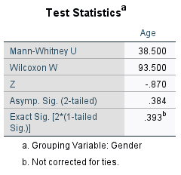

Critical Value:

Decision:

Conclusion:

